c2_R1
Sweep | Event Time (s) | Threshold (V) | Threshold Time (s) | Peak (V) | Peak Time (s) | AHP (V) | AHP Time (s) | Absolute Event Time (s) | Interevent Interval (s) | Max Slope (V/s) | Min Slope (V/s) | AP Duration @ 50% (s) | Threshold (mV) | Threshold Time (ms) | Peak (mV) | Peak Time (ms) | AHP m(V) | AHP Time (ms) | Interevent Interval (s) | Max Slope (V/s) | Min Slope (V/s) | Max/Min dV/dt | AP Duration @ 50% (s) | Number of Events | Time | First Event |  | Last Event |  | Copyable |  |  | dV/dt graph
1 | 0.022849999 | -0.042541504 | -0.00050000002 | 0.017913818 | 0.00034999999 | -0.054840088 | 0.01475 | 0.074382 |  | 148.62061 | -31.12793 | 0.0016259358 | -42.606182963 | -0.50708956754 | 17.614108425 | 0.39589551239 | -54.909777299 | 14.825746269 | 74.909022466 | 146.73489246 | -31.228136627 | 4.6988039734 | 1.6576818321 | 134 | X | Y (V) | Y (mV) | Y (V) | Y (mV) |  |  |  | ReviewAP | diffAP
1 | 0.093549997 | -0.042358398 | -0.00050000002 | 0.017578125 | 0.00039999999 | -0.054595947 | 0.0148 | 0.145082 | 0.070699997 | 151.06201 | -32.348633 | 0.0016035408 |  |  |  |  |  |  |  |  |  |  |  |  | 0 | -0.048201375 | -48.201375 | -0.048278809 | -48.278809 | 0 | -48.201375 | -48.278809 | -0.048201375 | 0.61035156
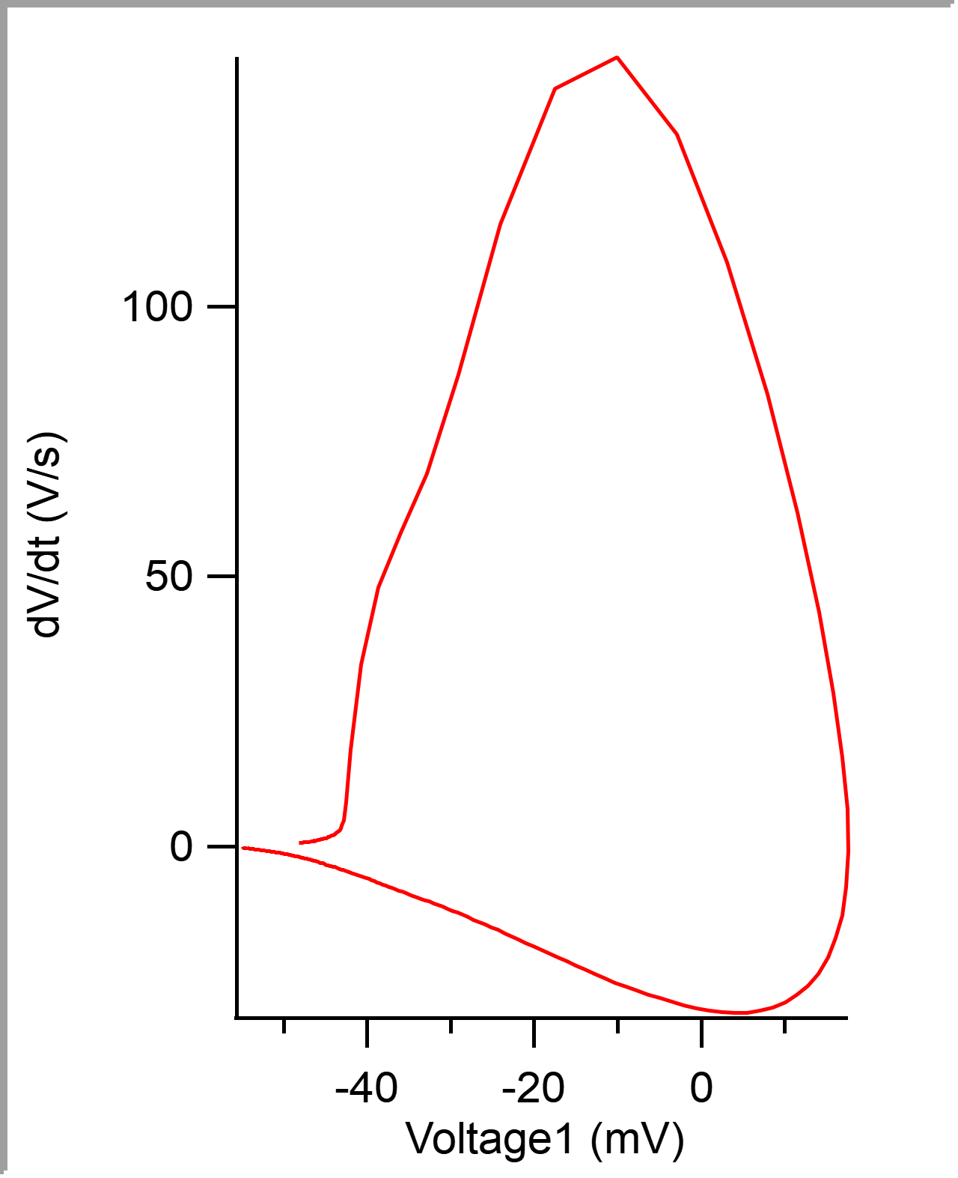
1 | 0.16895001 | -0.041900635 | -0.00050000002 | 0.01776123 | 0.00034999999 | -0.054992676 | 0.0149 | 0.22048201 | 0.07540001 | 150.45166 | -30.822754 | 0.0016547112 |  |  |  |  |  |  |  |  |  |  |  |  | 5.00E-05 | -0.048170857 | -48.170857 | -0.048217773 | -48.217773 | 0.00005 | -48.170857 | -48.217773 | -0.048170857 | 0.64451247
1 | 0.24785 | -0.042602539 | -0.00050000002 | 0.018096924 | 0.00039999999 | -0.055267334 | 0.01485 | 0.299382 | 0.078899994 | 152.58789 | -32.958984 | 0.0016096133 |  |  |  |  |  |  |  |  |  |  |  |  | 0.0001 | -0.048136923 | -48.136923 | -0.048187256 | -48.187256 | 0.0001 | -48.136923 | -48.187256 | -0.048136923 | 0.62856823
1 | 0.32949999 | -0.042938232 | -0.00050000002 | 0.018035889 | 0.00039999999 | -0.054870605 | 0.0149 | 0.38103199 | 0.081649989 | 153.80859 | -33.26416 | 0.0015849214 |  |  |  |  |  |  |  |  |  |  |  |  | 0.00015 | -0.048108 | -48.108 | -0.048187256 | -48.187256 | 0.00015 | -48.108 | -48.187256 | -0.048108 | 0.6262958
1 | 0.39820001 | -0.043182373 | -0.00055 | 0.018096924 | 0.00034999999 | -0.054931641 | 0.0149 | 0.44973201 | 0.068700016 | 150.14648 | -31.433105 | 0.0016211399 |  |  |  |  |  |  |  |  |  |  |  |  | 0.0002 | -0.048074294 | -48.074294 | -0.048156738 | -48.156738 | 0.0002 | -48.074294 | -48.156738 | -0.048074294 | 0.65360218
1 | 0.47415 | -0.042755127 | -0.00050000002 | 0.017608643 | 0.00039999999 | -0.054260254 | 0.0148 | 0.52568197 | 0.075949967 | 151.97754 | -30.822754 | 0.0016423077 |  |  |  |  |  |  |  |  |  |  |  |  | 0.00025 | -0.04804264 | -48.04264 | -0.048126221 | -48.126221 | 0.00025 | -48.04264 | -48.126221 | -0.04804264 | 0.62856823
1 | 0.54189998 | -0.043182373 | -0.00055 | 0.017425537 | 0.00034999999 | -0.054138184 | 0.0148 | 0.59343195 | 0.067749977 | 145.87402 | -32.043457 | 0.001605315 |  |  |  |  |  |  |  |  |  |  |  |  | 0.0003 | -0.048011437 | -48.011437 | -0.048126221 | -48.126221 | 0.0003 | -48.011437 | -48.126221 | -0.048011437 | 0.68780035
1 | 0.62230003 | -0.042358398 | -0.00050000002 | 0.017669678 | 0.00039999999 | -0.055267334 | 0.0149 | 0.673832 | 0.08040005 | 151.36719 | -31.433105 | 0.0015934564 |  |  |  |  |  |  |  |  |  |  |  |  | 0.00035 | -0.04797386 | -47.97386 | -0.048065186 | -48.065186 | 0.00035 | -47.97386 | -48.065186 | -0.04797386 | 0.67640096
1 | 0.70480001 | -0.042694092 | -0.00044999999 | 0.017669678 | 0.00039999999 | -0.05380249 | 0.0148 | 0.75633198 | 0.082499981 | 153.19824 | -31.433105 | 0.001579845 |  |  |  |  |  |  |  |  |  |  |  |  | 0.0004 | -0.047943797 | -47.943797 | -0.048065186 | -48.065186 | 0.0004 | -47.943797 | -48.065186 | -0.047943797 | 0.61035156
1 | 0.77689999 | -0.042327881 | -0.00050000002 | 0.01751709 | 0.00039999999 | -0.055023193 | 0.01475 | 0.82843196 | 0.072099984 | 150.14648 | -30.822754 | 0.0016267009 |  |  |  |  |  |  |  |  |  |  |  |  | 0.00045 | -0.047912825 | -47.912825 | -0.04800415 | -48.00415 | 0.00045 | -47.912825 | -48.00415 | -0.047912825 | 0.667274
1 | 0.85439998 | -0.042785645 | -0.00050000002 | 0.018005371 | 0.00039999999 | -0.055358887 | 0.0148 | 0.90593195 | 0.077499986 | 153.19824 | -33.26416 | 0.001581781 |  |  |  |  |  |  |  |  |  |  |  |  | 0.0005 | -0.04787707 | -47.87707 | -0.04800415 | -48.00415 | 0.0005 | -47.87707 | -48.00415 | -0.04787707 | 0.71737915
1 | 0.93430001 | -0.043273926 | -0.00050000002 | 0.017730713 | 0.00039999999 | -0.054626465 | 0.0149 | 0.98583198 | 0.079900026 | 154.41895 | -33.26416 | 0.0015925402 |  |  |  |  |  |  |  |  |  |  |  |  | 0.00055 | -0.047841087 | -47.841087 | -0.047973633 | -47.973633 | 0.00055 | -47.841087 | -47.973633 | -0.047841087 | 0.69461763
1 | 1.00905 | -0.042633057 | -0.00050000002 | 0.017730713 | 0.00039999999 | -0.05456543 | 0.0149 | 1.060582 | 0.074750066 | 151.97754 | -31.738281 | 0.0016302718 |  |  |  |  |  |  |  |  |  |  |  |  | 0.0006 | -0.047807608 | -47.807608 | -0.047943115 | -47.943115 | 0.0006 | -47.807608 | -47.943115 | -0.047807608 | 0.65591186
1 | 1.08225 | -0.042266846 | -0.00050000002 | 0.017791748 | 0.00039999999 | -0.055236816 | 0.01475 | 1.133782 | 0.073199987 | 150.75684 | -33.26416 | 0.0015706872 |  |  |  |  |  |  |  |  |  |  |  |  | 0.00065 | -0.047775496 | -47.775496 | -0.047912598 | -47.912598 | 0.00065 | -47.775496 | -47.912598 | -0.047775496 | 0.69007277
1 | 1.16125 | -0.042907715 | -0.00050000002 | 0.017913818 | 0.00034999999 | -0.054595947 | 0.01485 | 1.212782 | 0.078999996 | 151.97754 | -32.043457 | 0.0015904558 |  |  |  |  |  |  |  |  |  |  |  |  | 0.0007 | -0.047738601 | -47.738601 | -0.047851563 | -47.851563 | 0.0007 | -47.738601 | -47.851563 | -0.047738601 | 0.68776309
1 | 1.23555 | -0.042602539 | -0.00050000002 | 0.017730713 | 0.00039999999 | -0.054840088 | 0.0148 | 1.2870821 | 0.074300051 | 151.36719 | -32.958984 | 0.0015938727 |  |  |  |  |  |  |  |  |  |  |  |  | 0.00075 | -0.047706719 | -47.706719 | -0.047821045 | -47.821045 | 0.00075 | -47.706719 | -47.821045 | -0.047706719 | 0.69916248
1 | 1.3102 | -0.042602539 | -0.00050000002 | 0.017608643 | 0.00034999999 | -0.054992676 | 0.0149 | 1.361732 | 0.07464993 | 151.36719 | -32.348633 | 0.0015919158 |  |  |  |  |  |  |  |  |  |  |  |  | 0.0008 | -0.047668684 | -47.668684 | -0.047790527 | -47.790527 | 0.0008 | -47.668684 | -47.790527 | -0.047668684 | 0.72423369
1 | 1.3841 | -0.042541504 | -0.00050000002 | 0.017669678 | 0.00034999999 | -0.055480957 | 0.0148 | 1.435632 | 0.073899984 | 150.45166 | -31.12793 | 0.0016133391 |  |  |  |  |  |  |  |  |  |  |  |  | 0.00085 | -0.047634296 | -47.634296 | -0.04776001 | -47.76001 | 0.00085 | -47.634296 | -47.76001 | -0.047634296 | 0.72650611
1 | 1.4578 | -0.042572021 | -0.00050000002 | 0.018249512 | 0.00039999999 | -0.054962158 | 0.01485 | 1.5093321 | 0.07370007 | 150.45166 | -34.179688 | 0.0015961878 |  |  |  |  |  |  |  |  |  |  |  |  | 0.0009 | -0.047596034 | -47.596034 | -0.047698975 | -47.698975 | 0.0009 | -47.596034 | -47.698975 | -0.047596034 | 0.73563308
1 | 1.5345 | -0.04284668 | -0.00050000002 | 0.018005371 | 0.00039999999 | -0.05480957 | 0.0149 | 1.586032 | 0.076699972 | 153.19824 | -32.348633 | 0.0015887074 |  |  |  |  |  |  |  |  |  |  |  |  | 0.00095 | -0.047560733 | -47.560733 | -0.047668457 | -47.668457 | 0.00095 | -47.560733 | -47.668457 | -0.047560733 | 0.70597976
1 | 1.61465 | -0.042510986 | -0.00050000002 | 0.017852783 | 0.00039999999 | -0.056030273 | 0.0148 | 1.666182 | 0.080150008 | 151.06201 | -33.26416 | 0.0015785913 |  |  |  |  |  |  |  |  |  |  |  |  | 0.001 | -0.047525436 | -47.525436 | -0.047637939 | -47.637939 | 0.001 | -47.525436 | -47.637939 | -0.047525436 | 0.75154006
1 | 1.6974 | -0.042785645 | -0.00050000002 | 0.018066406 | 0.00039999999 | -0.05557251 | 0.0147 | 1.748932 | 0.082749963 | 155.33447 | -33.26416 | 0.0015752167 |  |  |  |  |  |  |  |  |  |  |  |  | 0.00105 | -0.047485579 | -47.485579 | -0.047607422 | -47.607422 | 0.00105 | -47.485579 | -47.607422 | -0.047485579 | 0.7834658
1 | 1.77405 | -0.042907715 | -0.00050000002 | 0.018035889 | 0.00034999999 | -0.054962158 | 0.0149 | 1.825582 | 0.076650023 | 151.97754 | -34.484863 | 0.0015423665 |  |  |  |  |  |  |  |  |  |  |  |  | 0.0011 | -0.047447089 | -47.447089 | -0.047546387 | -47.546387 | 0.0011 | -47.447089 | -47.546387 | -0.047447089 | 0.79937279
1 | 1.8455499 | -0.042358398 | -0.00050000002 | 0.018127441 | 0.00039999999 | -0.055725098 | 0.0149 | 1.897082 | 0.071499944 | 148.62061 | -31.738281 | 0.0016261508 |  |  |  |  |  |  |  |  |  |  |  |  | 0.00115 | -0.047405642 | -47.405642 | -0.047515869 | -47.515869 | 0.00115 | -47.405642 | -47.515869 | -0.047405642 | 0.77202916
1 | 1.92215 | -0.042999268 | -0.00050000002 | 0.01776123 | 0.00039999999 | -0.054962158 | 0.0149 | 1.973682 | 0.076600075 | 155.0293 | -32.958984 | 0.0015787135 |  |  |  |  |  |  |  |  |  |  |  |  | 0.0012 | -0.047369886 | -47.369886 | -0.047485352 | -47.485352 | 0.0012 | -47.369886 | -47.485352 | -0.047369886 | 0.72196126
1 | 1.99745 | -0.043304443 | -0.00050000002 | 0.017608643 | 0.00039999999 | -0.054901123 | 0.01485 | 2.0489819 | 0.075299859 | 150.45166 | -31.738281 | 0.0016651575 |  |  |  |  |  |  |  |  |  |  |  |  | 0.00125 | -0.047333445 | -47.333445 | -0.047454834 | -47.454834 | 0.00125 | -47.333445 | -47.454834 | -0.047333445 | 0.76748431
1 | 2.0776 | -0.042999268 | -0.00050000002 | 0.017913818 | 0.00039999999 | -0.054473877 | 0.0148 | 2.129132 | 0.080150127 | 151.67236 | -33.26416 | 0.0015817087 |  |  |  |  |  |  |  |  |  |  |  |  | 0.0013 | -0.047293138 | -47.293138 | -0.047424316 | -47.424316 | 0.0013 | -47.293138 | -47.424316 | -0.047293138 | 0.84489584
1 | 2.1565499 | -0.042480469 | -0.00050000002 | 0.017822266 | 0.00039999999 | -0.055297852 | 0.01485 | 2.208082 | 0.078949928 | 150.75684 | -30.517578 | 0.001617451 |  |  |  |  |  |  |  |  |  |  |  |  | 0.00135 | -0.047248956 | -47.248956 | -0.047363281 | -47.363281 | 0.00135 | -47.248956 | -47.363281 | -0.047248956 | 0.82217157
1 | 2.2339499 | -0.042449951 | -0.00044999999 | 0.018035889 | 0.00039999999 | -0.055084229 | 0.01485 | 2.2854819 | 0.077399969 | 151.97754 | -33.874512 | 0.0016215463 |  |  |  |  |  |  |  |  |  |  |  |  | 0.0014 | -0.047210921 | -47.210921 | -0.047302246 | -47.302246 | 0.0014 | -47.210921 | -47.302246 | -0.047210921 | 0.80622733
1 | 2.3111999 | -0.042236328 | -0.00050000002 | 0.017913818 | 0.00039999999 | -0.055541992 | 0.0149 | 2.3627319 | 0.077250004 | 148.62061 | -34.790039 | 0.0015613815 |  |  |  |  |  |  |  |  |  |  |  |  | 0.00145 | -0.047168333 | -47.168333 | -0.047271729 | -47.271729 | 0.00145 | -47.168333 | -47.271729 | -0.047168333 | 0.83126128
1 | 2.3907499 | -0.042602539 | -0.00050000002 | 0.017486572 | 0.00039999999 | -0.055236816 | 0.01485 | 2.442282 | 0.079550028 | 150.45166 | -31.433105 | 0.0016118014 |  |  |  |  |  |  |  |  |  |  |  |  | 0.0015 | -0.047127794 | -47.127794 | -0.047271729 | -47.271729 | 0.0015 | -47.127794 | -47.271729 | -0.047127794 | 0.83126128
1 | 2.4712999 | -0.043029785 | -0.00050000002 | 0.018005371 | 0.00039999999 | -0.055145264 | 0.01475 | 2.5228319 | 0.080549955 | 153.80859 | -32.043457 | 0.0016101162 |  |  |  |  |  |  |  |  |  |  |  |  | 0.00155 | -0.047085207 | -47.085207 | -0.047271729 | -47.271729 | 0.00155 | -47.085207 | -47.271729 | -0.047085207 | 0.80849975
1 | 2.5469501 | -0.042816162 | -0.00050000002 | 0.017730713 | 0.00039999999 | -0.055175781 | 0.0149 | 2.5984821 | 0.075650215 | 150.45166 | -32.043457 | 0.0016192578 |  |  |  |  |  |  |  |  |  |  |  |  | 0.0016 | -0.047046944 | -47.046944 | -0.047210693 | -47.210693 | 0.0016 | -47.046944 | -47.210693 | -0.047046944 | 0.80391765
1 | 2.6282001 | -0.042877197 | -0.00050000002 | 0.017974854 | 0.00034999999 | -0.055511475 | 0.01485 | 2.6797321 | 0.081249952 | 150.75684 | -32.348633 | 0.0016115378 |  |  |  |  |  |  |  |  |  |  |  |  | 0.00165 | -0.047004815 | -47.004815 | -0.047180176 | -47.180176 | 0.00165 | -47.004815 | -47.180176 | -0.047004815 | 0.82440674
1 | 2.7123001 | -0.042755127 | -0.00050000002 | 0.017913818 | 0.00039999999 | -0.055419922 | 0.0149 | 2.7638321 | 0.084100008 | 151.36719 | -31.738281 | 0.0016357818 |  |  |  |  |  |  |  |  |  |  |  |  | 0.0017 | -0.046964504 | -46.964504 | -0.047149658 | -47.149658 | 0.0017 | -46.964504 | -47.149658 | -0.046964504 | 0.81077218
1 | 2.79515 | -0.042724609 | -0.00044999999 | 0.017883301 | 0.00039999999 | -0.055389404 | 0.01485 | 2.8466821 | 0.082849979 | 153.80859 | -33.569336 | 0.0016035156 |  |  |  |  |  |  |  |  |  |  |  |  | 0.00175 | -0.046923738 | -46.923738 | -0.047119141 | -47.119141 | 0.00175 | -46.923738 | -47.119141 | -0.046923738 | 0.85633248
1 | 2.8766501 | -0.042633057 | -0.00044999999 | 0.018035889 | 0.00039999999 | -0.055877686 | 0.0149 | 2.9281821 | 0.081500053 | 154.41895 | -31.738281 | 0.001609338 |  |  |  |  |  |  |  |  |  |  |  |  | 0.0018 | -0.046878871 | -46.878871 | -0.047058105 | -47.058105 | 0.0018 | -46.878871 | -47.058105 | -0.046878871 | 0.89276582
1 | 2.96175 | -0.043151855 | -0.00044999999 | 0.018310547 | 0.00039999999 | -0.05581665 | 0.0149 | 3.0132821 | 0.085099936 | 157.77588 | -33.569336 | 0.0015577377 |  |  |  |  |  |  |  |  |  |  |  |  | 0.00185 | -0.046834461 | -46.834461 | -0.047058105 | -47.058105 | 0.00185 | -46.834461 | -47.058105 | -0.046834461 | 0.85175037
1 | 3.0425 | -0.043212891 | -0.00050000002 | 0.018005371 | 0.00039999999 | -0.055999756 | 0.0148 | 3.094032 | 0.080749989 | 155.63965 | -31.738281 | 0.0016318093 |  |  |  |  |  |  |  |  |  |  |  |  | 0.0019 | -0.046793696 | -46.793696 | -0.04699707 | -46.99707 | 0.0019 | -46.793696 | -46.99707 | -0.046793696 | 0.83580613
1 | 3.1159 | -0.042419434 | -0.00050000002 | 0.017913818 | 0.00039999999 | -0.055236816 | 0.0148 | 3.1674321 | 0.073400021 | 151.67236 | -34.484863 | 0.0015568318 |  |  |  |  |  |  |  |  |  |  |  |  | 0.00195 | -0.046750881 | -46.750881 | -0.046966553 | -46.966553 | 0.00195 | -46.750881 | -46.966553 | -0.046750881 | 0.87454915
1 | 3.19415 | -0.042510986 | -0.00044999999 | 0.018188477 | 0.00039999999 | -0.05581665 | 0.0148 | 3.245682 | 0.078249931 | 154.41895 | -32.958984 | 0.0015571717 |  |  |  |  |  |  |  |  |  |  |  |  | 0.002 | -0.046706241 | -46.706241 | -0.046936035 | -46.936035 | 0.002 | -46.706241 | -46.936035 | -0.046706241 | 0.91779977
1 | 3.27545 | -0.043029785 | -0.00050000002 | 0.018127441 | 0.00039999999 | -0.056518555 | 0.0149 | 3.326982 | 0.08130002 | 153.19824 | -33.26416 | 0.0015698263 |  |  |  |  |  |  |  |  |  |  |  |  | 0.00205 | -0.046659101 | -46.659101 | -0.046875 | -46.875 | 0.00205 | -46.659101 | -46.875 | -0.046659101 | 0.92234462
...

